Guide
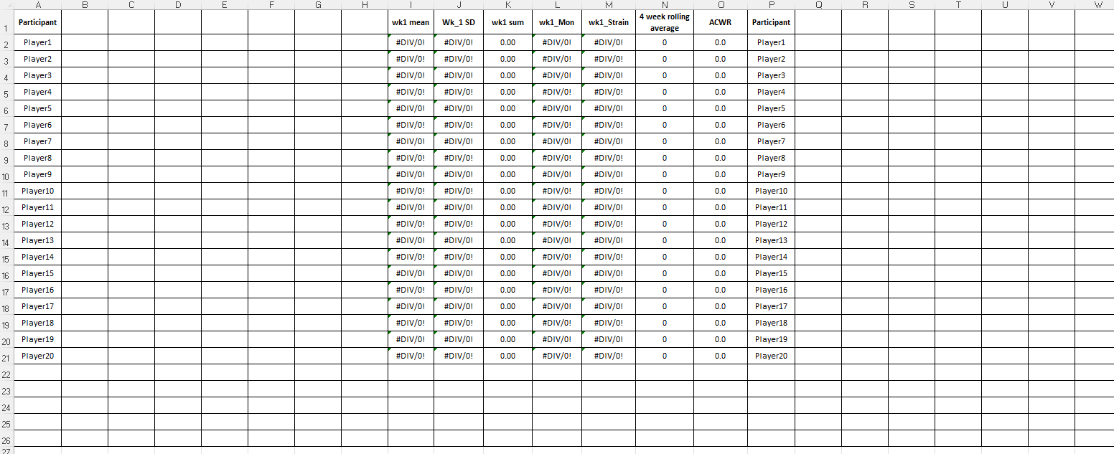

Please, Enter the training load data for every day of the week.

Enter the data week by week.
In case of doubt, contact the corresponding author.

These parameters are calculated automatically. Please do not change them.

